Meter Calculation Conversion
Meter Calculation Spreadsheet - Determine your meter type and use only that section

(NOTE: Do NOT convert gallons to AF when reporting your annual water use to DWR)

 |  |  |  | Example Older Style |  | Example Newer Style
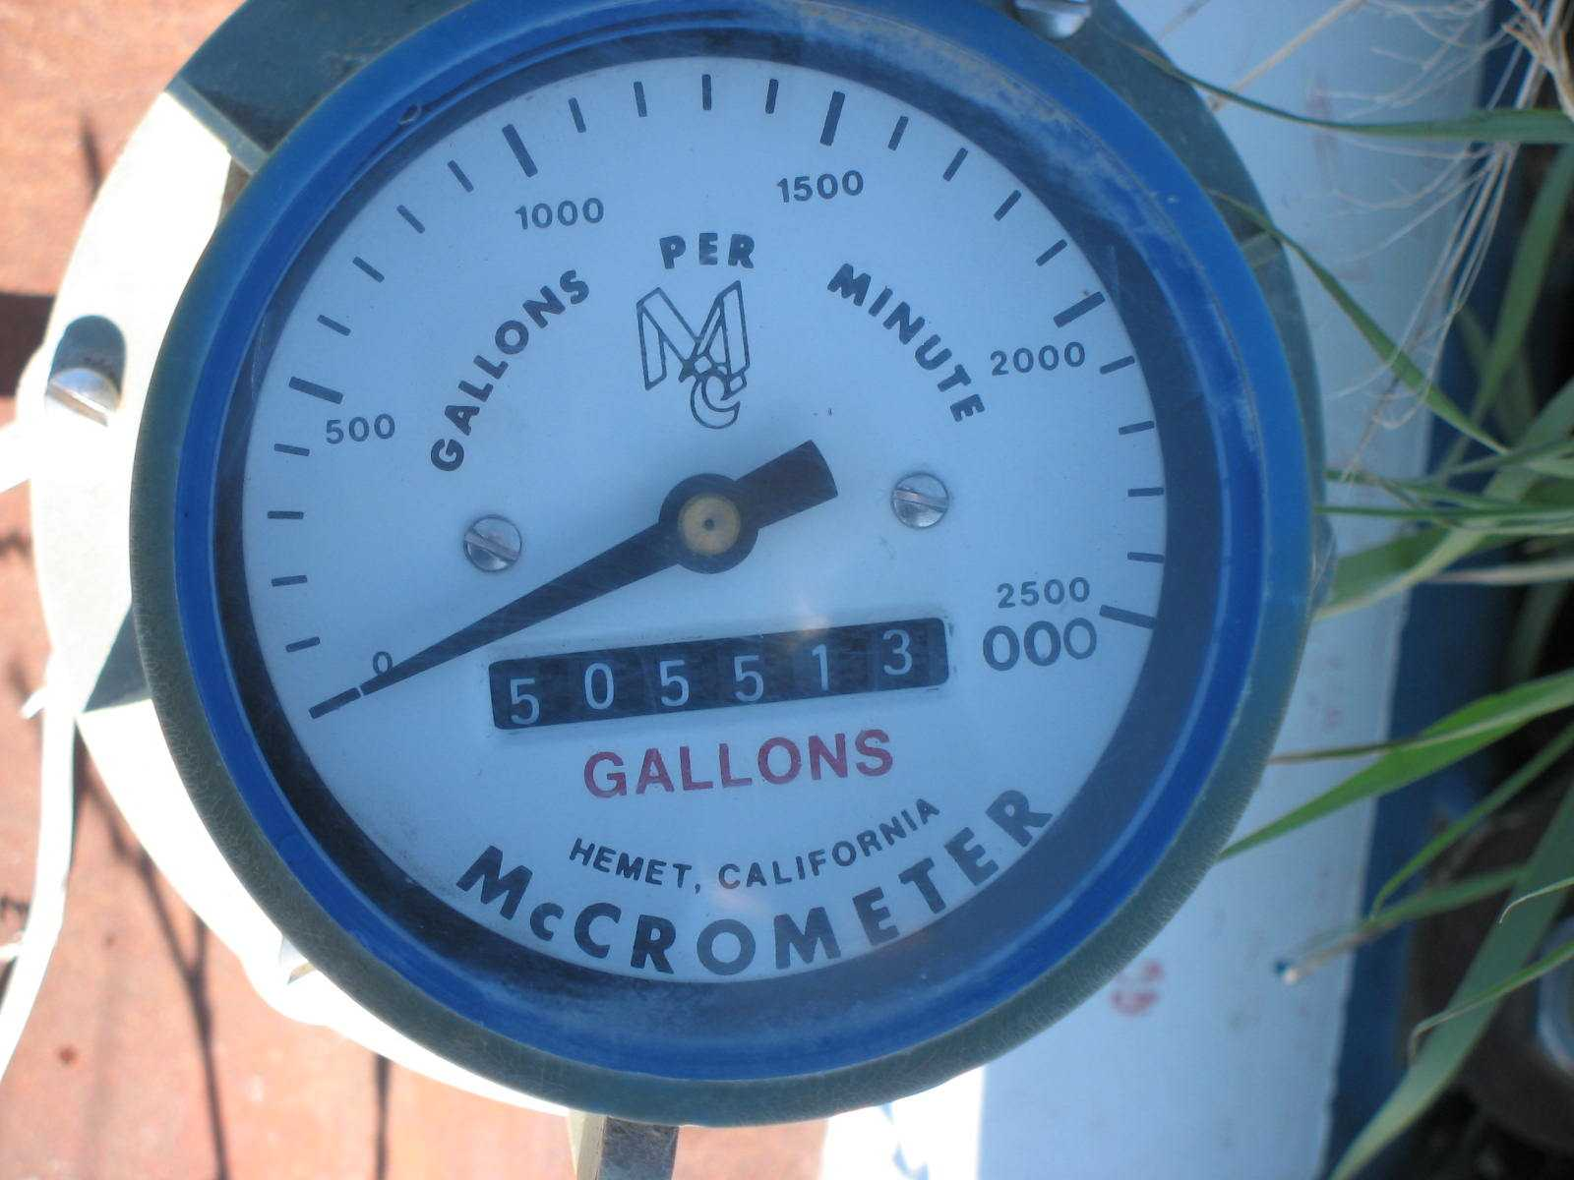
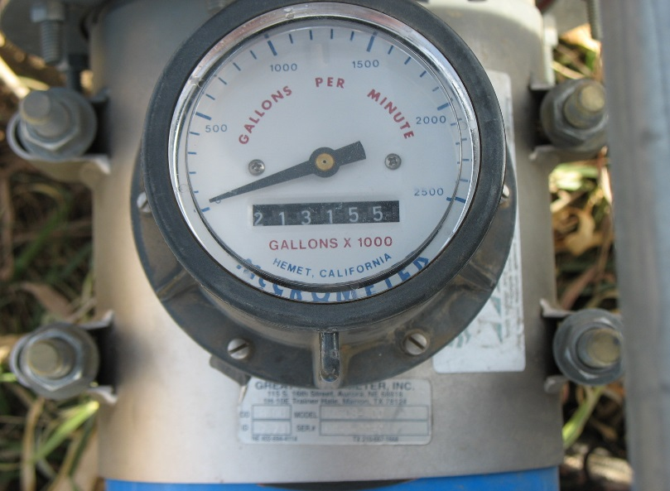
For Meters calibrated in Gallons w/ 1000 multiplier (examples at right) use this section only:

Inputs below are: all digits (without leading zeroes) PLUS the full multiplier (3 zeroes on the end)

 | Beginning Number | Ending Number | Total Gallons Pumped

 | 403,788,000 | 505,513,000 | 101,725,000

FYI: | (Your Gallons converted to Acrefeet)…………. |  | 312.18

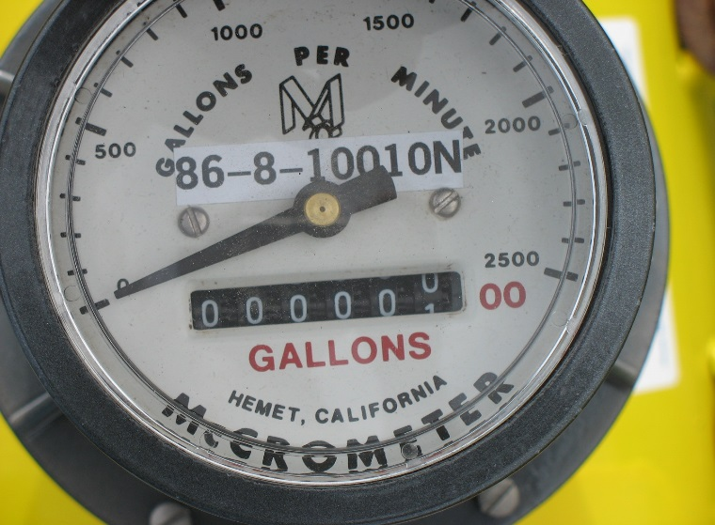
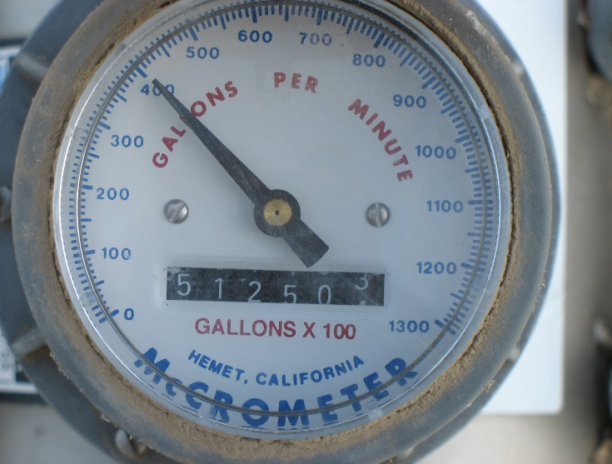
For Meters calibrated in Gallons w/ 100 multiplier (2 fixed digits) use this section only:
 |  |  |  | Example Older Style |  | Example Newer Style
Inputs below are: all digits (without leading zeroes) PLUS the full multiplier (2 zeroes on the end)

 | Beginning Number | Ending Number | Total Gallons Pumped

 | 99,845,500 | 51,250,300 | 51,404,800

FYI: | (Your Gallons converted to Acrefeet)………… |  | 157.76

For Meters calibrated in Acre Feet w/ .001 multiplier use this section only: |  |  |  |  | Example
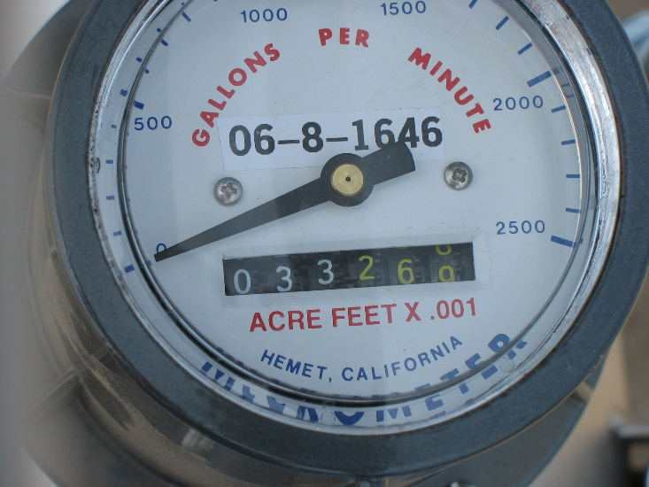
Inputs below will contain all 6 digits (except leading zeroes) WITH a decimal point before the last 3 digits

 | Beginning Number | Ending Number | Total Acre Feet Pumped

 | 894.455 | 33.269 | 138.814

For Meters calibrated in Acre Feet w/ .0001 multiplier use this section only: |  |  |  |  | Example
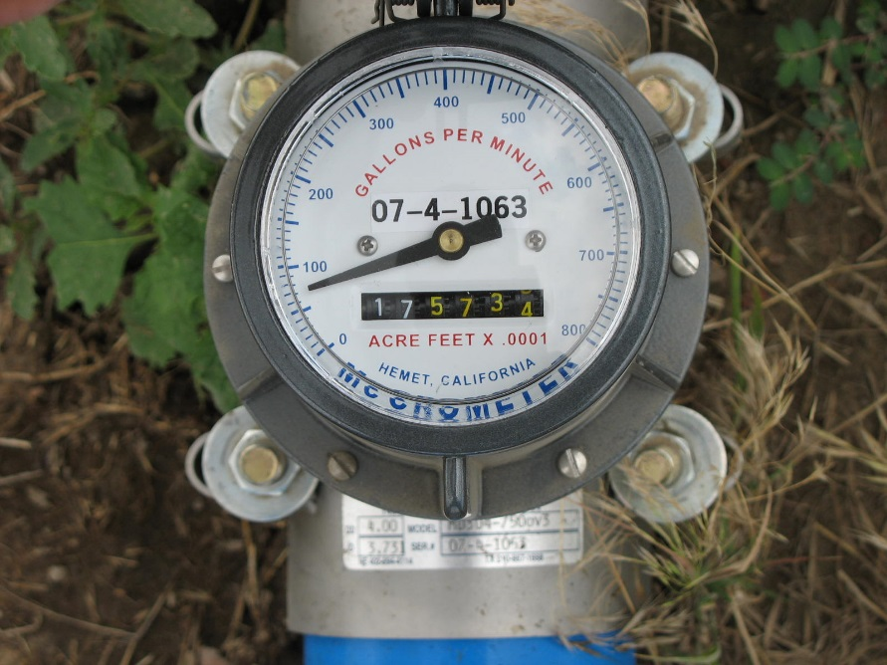
Inputs above should contain all 6 digits (ignore leading zeroes) WITH a decimal point before the last 4 digits

 | Beginning Number | Ending Number | Total Acre Feet Pumped

 | 81.2588 | 17.5734 | 36.3146

FINAL NOTES:

1: The "Beginning Number" in all cases (except a new meter) will be the same as last year's "Ending Number"

2. This spreadsheet automatically accounts for meters that "roll over". Enter the actual meter numbers
regardless of which number is larger.

3. For Questions, contact the GMD 4 Office at: 785-462-3915

